FW BASILE
Total |  |  |  |  |  | 15229 | 0
REFERENCE | Picture | BRAND | NAME | Product Type | Gender | QTY | Selection QTY | RRP | SIZE AVAILABLE
BAM913706_03_GLE1 |  | BASILE | NELSON RAFIA NBX | SHOES | MEN | 170 |  | 135.00 € | [NS->170]
BSS915173_01_GLE1 |  | BASILE | FLICKS | SHOES | MEN | 160 |  | 105.00 € | [NS->160]
BAM913706_03_GLE | 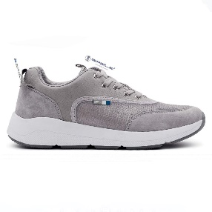 | BASILE | NELSON RAFIA NBX | SHOES | MEN | 150 |  | 135.00 € | [NS->150]
BSS915133_04_GLE1 |  | BASILE | FLY KEATON | SHOES | MEN | 150 |  | 90.00 € | [NS->150]
BSS915160_01_GLE1 | 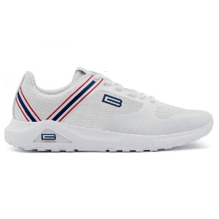 | BASILE | RAF | SHOES | MEN | 150 |  | 105.00 € | [NS->150]
BSS915173_03_GLE | 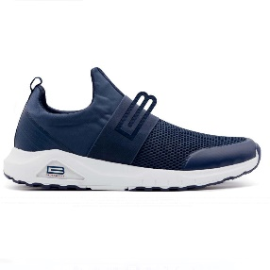 | BASILE | FLICKS | SHOES | MEN | 150 |  | 105.00 € | [NS->150]
BSS915134_02_GLE | 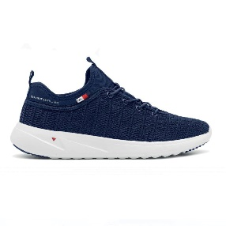 | BASILE | DAYTONA | SHOES | MEN | 140 |  | 85.00 € | [NS->140]
BAM917700_01_GLE | 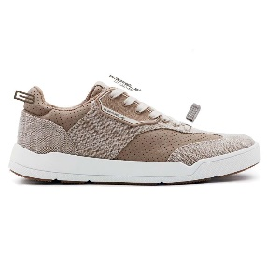 | BASILE | DALE LINEN NBK | SHOES | MEN | 120 |  | 120.00 € | [NS->120]
BSS915000_07_GLE1 | 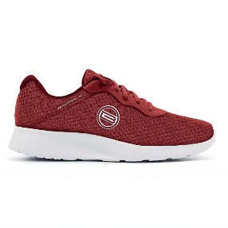 | BASILE | GATLIN MESH | SHOES | MEN | 120 |  | 70.00 € | [NS->120]
BSS913003_53_GLE |  | BASILE | FLASH NYLON MIX | SHOES | MEN | 119 |  | 95.00 € | [NS->119]
BSS913002_54_GLE1 | 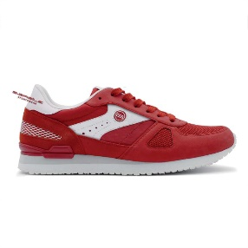 | BASILE | FLASH NYLON MIX | SHOES | MEN | 110 |  | 95.00 € | [NS->110]
BSS915130_05_GLE1 |  | BASILE | CHARLY | SHOES | MEN | 110 |  | 85.00 € | [NS->110]
BSS915173_21_GLE | 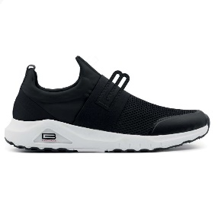 | BASILE | FLICKS | SHOES | MEN | 110 |  | 105.00 € | [NS->110]
BSS914016_01_GLE1 | 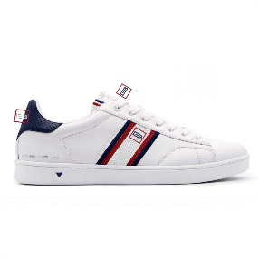 | BASILE | BERLIN LH | SHOES | MEN | 100 |  | 85.00 € | [NS->100]
BSS915000_02_GLE1 |  | BASILE | GATLIN MESH | SHOES | MEN | 100 |  | 70.00 € | [NS->100]
BSS915160_03_GLE1 |  | BASILE | RAF | SHOES | MEN | 100 |  | 105.00 € | [NS->100]
BAM913801_21_GLE | 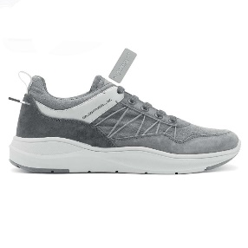 | BASILE | SULLIVAN LINO | SHOES | MEN | 99 |  | 135.00 € | [NS->99]
BAM913502_03_GLE | 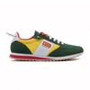 | BASILE | NOT AVAILABLE | SHOES | MEN | 90 |  | 135.00 € | [NS->90]
BAM918015_55_GLE1 |  | BASILE | APOLLO NBK | SHOES | MEN | 90 |  | 95.00 € | [NS->90]
BAM91812015_21_GLE | 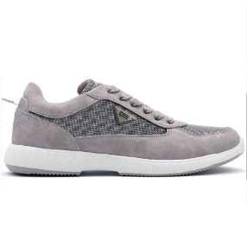 | BASILE | NOT AVAILABLE | SHOES | MEN | 90 |  | 105.00 € | [NS->90]
BSS915173_21_GLE1 |  | BASILE | FLICKS | SHOES | MEN | 90 |  | 105.00 € | [NS->90]
BAM913502_02_GLE1 |  | BASILE | RETRO BICOLOR | SHOES | MEN | 89 |  | 135.00 € | [NS->89]
BAM913500_05_GLE | 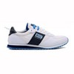 | BASILE | RETRO BICOLOR | SHOES | MEN | 80 |  | 135.00 € | [NS->80]
BAM913742_03_GLE1 |  | BASILE | MUJI MIX | SHOES | MEN | 80 |  | 105.00 € | [NS->80]
BAM913801_03_GLE | 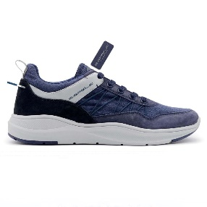 | BASILE | SULLIVAN LINO | SHOES | MEN | 80 |  | 135.00 € | [NS->80]
BAM91812015_22_GLE | 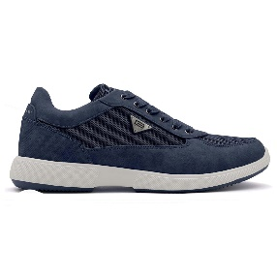 | BASILE | NOT AVAILABLE | SHOES | MEN | 80 |  | 135.00 € | [NS->80]
BSS915000_04_GLE1 |  | BASILE | GATLIN MESH | SHOES | MEN | 80 |  | 70.00 € | [NS->80]
BSS915000_06_GLE1 |  | BASILE | GATLIN MESH | SHOES | MEN | 80 |  | 70.00 € | [NS->80]
BSS915130_02_GLE | 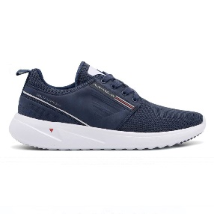 | BASILE | CHARLY | SHOES | MEN | 80 |  | 85.00 € | [NS->80]
BSS915148_01_GLE1 |  | BASILE | GT RACER | SHOES | MEN | 80 |  | 85.00 € | [NS->80]
BSS915148_03_GLE | 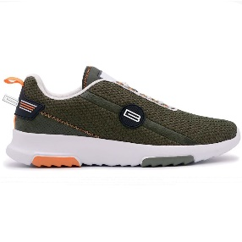 | BASILE | GT RACER | SHOES | MEN | 80 |  | 85.00 € | [NS->80]
BSS914025_51_GLE |  | BASILE | NOT AVAILABLE | SHOES | MEN | 79 |  | 80.00 € | [NS->79]
BAM917700_02_GLE1 |  | BASILE | DALE LINEN NBK | SHOES | MEN | 70 |  | 120.00 € | [NS->70]
BSS915000_01_GLE1 |  | BASILE | GATLIN MESH | SHOES | MEN | 70 |  | 70.00 € | [NS->70]
BSS915130_02_GLE1 |  | BASILE | CHARLY | SHOES | MEN | 70 |  | 85.00 € | [NS->70]
BSS915133_04_GLE | 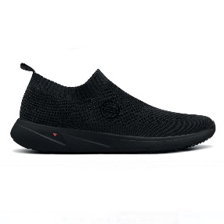 | BASILE | FLY KEATON | SHOES | MEN | 70 |  | 90.00 € | [NS->70]
BSS915134_01_GLE1 | 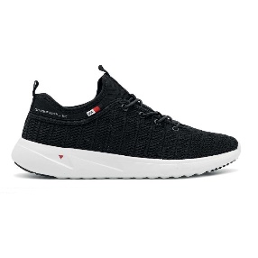 | BASILE | DAYTONA | SHOES | MEN | 70 |  | 85.00 € | [NS->70]
BSS915148_02_GLE1 |  | BASILE | GT RACER | SHOES | MEN | 70 |  | 85.00 € | [NS->70]
BSS915148_03_GLE1 |  | BASILE | GT RACER | SHOES | MEN | 70 |  | 85.00 € | [NS->70]
BSS915160_03_GLE | 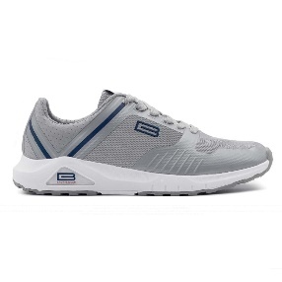 | BASILE | RAF | SHOES | MEN | 70 |  | 105.00 € | [NS->70]
BSS915133_02_GLE1 | 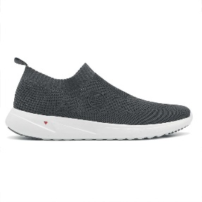 | BASILE | FLY KEATON | SHOES | MEN | 69 |  | 90.00 € | [NS->69]
BAM913500_02_GLE | 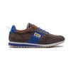 | BASILE | RETRO BICOLOR | SHOES | MEN | 60 |  | 135.00 € | [NS->60]
BAM913500_02_GLE1 |  | BASILE | RETRO BICOLOR | SHOES | MEN | 60 |  | 135.00 € | [NS->60]
BAM913742_01_GLE | 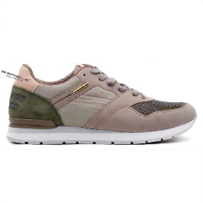 | BASILE | MUJI MIX | SHOES | MEN | 60 |  | 105.00 € | [NS->60]
BAM913742_01_GLE1 |  | BASILE | MUJI MIX | SHOES | MEN | 60 |  | 105.00 € | [NS->60]
BSS914025_55_GLE |  | BASILE | NOT AVAILABLE | SHOES | MEN | 60 |  | 80.00 € | [NS->60]
BAM913700_02_GLE | 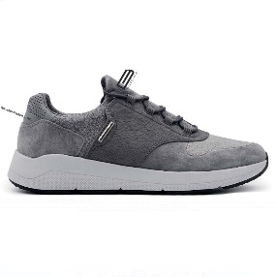 | BASILE | HOOVER MIX LYCRA | SHOES | MEN | 50 |  | 135.00 € | [NS->50]
BAM918015_51_GLE1 | 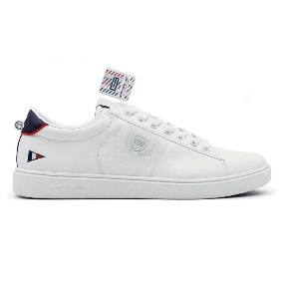 | BASILE | APOLLO NBK | SHOES | MEN | 50 |  | 95.00 € | [NS->50]
BAM918015_55_GLE | 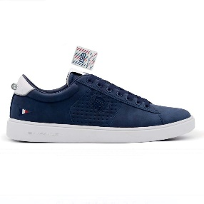 | BASILE | APOLLO NBK | SHOES | MEN | 50 |  | 95.00 € | [NS->50]
BSS915000_01_GLE | 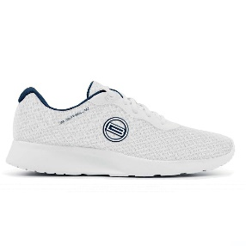 | BASILE | GATLIN MESH | SHOES | MEN | 50 |  | 70.00 € | [NS->50]
BSS915000_02_GLE | 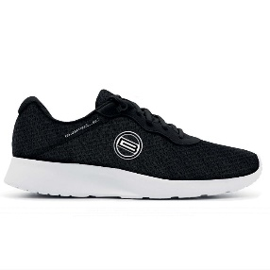 | BASILE | GATLIN MESH | SHOES | MEN | 50 |  | 70.00 € | [NS->50]
BSS915000_04_GLE | 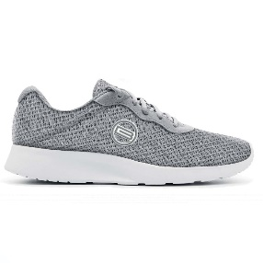 | BASILE | GATLIN MESH | SHOES | MEN | 50 |  | 70.00 € | [NS->50]
BSS915134_21_GLE1 | 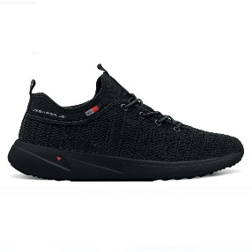 | BASILE | DAYTONA | SHOES | MEN | 50 |  | 85.00 € | [NS->50]
BSS915148_02_GLE | 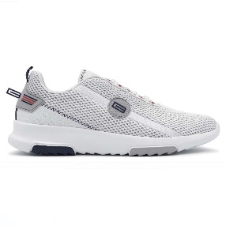 | BASILE | GT RACER | SHOES | MEN | 50 |  | 85.00 € | [NS->50]
BSS915167_04_GLE | 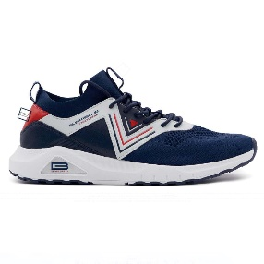 | BASILE | NOIR | SHOES | MEN | 50 |  | 105.00 € | [NS->50]
BSS913002_51_GLE1 | 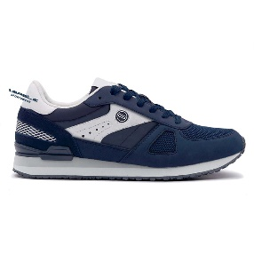 | BASILE | FLASH NYLON MIX | SHOES | MEN | 49 |  | 95.00 € | [NS->49]
BSS914016_03_GLE1 | 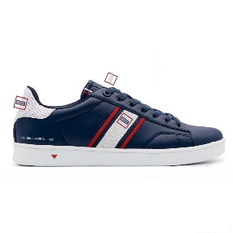 | BASILE | BERLIN LH | SHOES | MEN | 49 |  | 85.00 € | [NS->49]
BSS915000_03_GLE1 |  | BASILE | GATLIN MESH | SHOES | MEN | 49 |  | 70.00 € | [NS->49]
BSS915162_51_GLE1 | 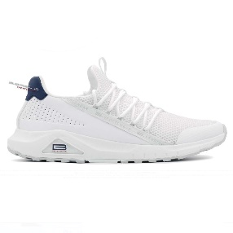 | BASILE | FLEX | SHOES | MEN | 49 |  | 105.00 € | [NS->49]
BSS915167_04_GLE1 |  | BASILE | NOIR | SHOES | MEN | 49 |  | 105.00 € | [NS->49]
BSS915162_52_GLE1 | 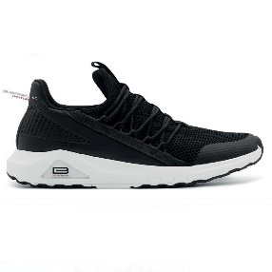 | BASILE | FLEX | SHOES | MEN | 47 |  | 105.00 € | [NS->47]
BAM913500_05_GLE1 |  | BASILE | RETRO BICOLOR | SHOES | MEN | 40 |  | 135.00 € | [NS->40]
BAM913502_02_GLE | 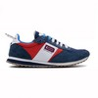 | BASILE | RETRO BICOLOR | SHOES | MEN | 40 |  | 135.00 € | [NS->40]
BAM913623_53_GLE1 |  | BASILE | PANDA CDX | SHOES | MEN | 40 |  | 135.00 € | [NS->40]
BAM913700_03_GLE1 | 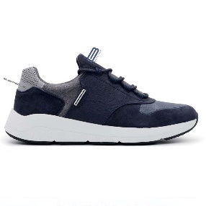 | BASILE | HOOVER MIX LYCRA | SHOES | MEN | 40 |  | 135.00 € | [NS->40]
BAM913740_02_GLE1 | 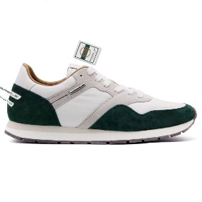 | BASILE | MUJI NYL | SHOES | MEN | 40 |  | 105.00 € | [NS->40]
BAM913742_03_GLE | 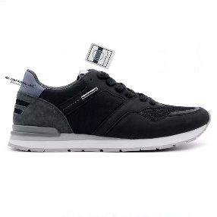 | BASILE | MUJI MIX | SHOES | MEN | 40 |  | 105.00 € | [NS->40]
BAM917700_02_GLE | 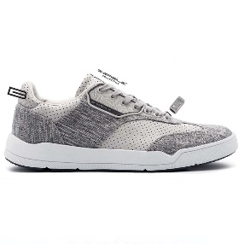 | BASILE | DALE LINEN NBK | SHOES | MEN | 40 |  | 120.00 € | [NS->40]
BAM91812015_22_GLE1 |  | BASILE | NOT AVAILABLE | SHOES | MEN | 40 |  | 135.00 € | [NS->40]
BSS914025_55_GLE1 |  | BASILE | NOT AVAILABLE | SHOES | MEN | 40 |  | 80.00 € | [NS->40]
BSS915000_03_GLE | 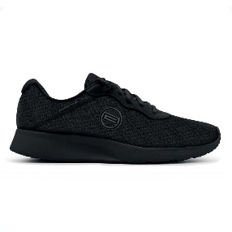 | BASILE | GATLIN MESH | SHOES | MEN | 40 |  | 70.00 € | [NS->40]
BSS915000_06_GLE | 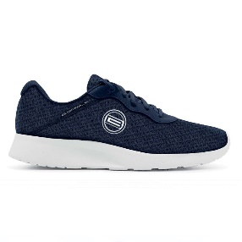 | BASILE | GATLIN MESH | SHOES | MEN | 40 |  | 70.00 € | [NS->40]
BSS915134_02_GLE1 |  | BASILE | DAYTONA | SHOES | MEN | 40 |  | 85.00 € | [NS->40]
BSS915148_01_GLE | 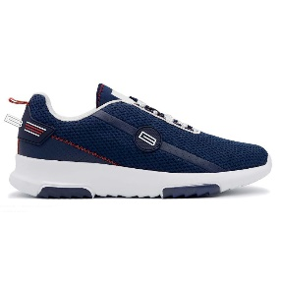 | BASILE | GT RACER | SHOES | MEN | 40 |  | 85.00 € | [NS->40]
BSS915173_01_GLE | 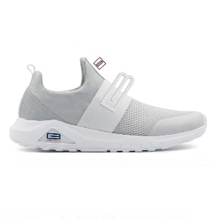 | BASILE | FLICKS | SHOES | MEN | 40 |  | 105.00 € | [NS->40]
BSS915173_03_GLE1 |  | BASILE | FLICKS | SHOES | MEN | 40 |  | 105.00 € | [NS->40]
BAM913805_21_GLE | 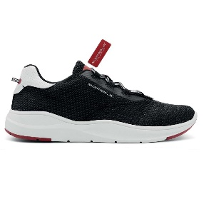 | BASILE | DERR FLY KNIT | SHOES | MEN | 39 |  | 120.00 € | [NS->39]
BAM913502_03_GLE1 |  | BASILE | NOT AVAILABLE | SHOES | MEN | 30 |  | 135.00 € | [NS->30]
BAM913623_53_GLE | 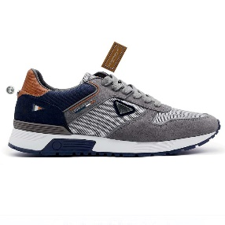 | BASILE | PANDA CDX | SHOES | MEN | 30 |  | 135.00 € | [NS->30]
BAM913740_03_GLE1 | 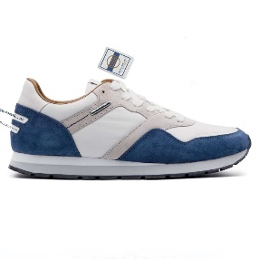 | BASILE | MUJI NYL | SHOES | MEN | 30 |  | 105.00 € | [NS->30]
BAM913801_03_GLE1 |  | BASILE | SULLIVAN LINO | SHOES | MEN | 30 |  | 135.00 € | [NS->30]
BAM91812015_21_GLE1 |  | BASILE | NOT AVAILABLE | SHOES | MEN | 30 |  | 85.00 € | [NS->30]
BSS915130_05_GLE | 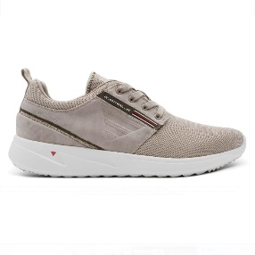 | BASILE | CHARLY | SHOES | MEN | 30 |  | 85.00 € | [NS->30]
BAM913805_21_GLE1 |  | BASILE | DERR FLY KNIT | SHOES | MEN | 20 |  | 120.00 € | [NS->20]
BSS914025_51_GLE1 |  | BASILE | NOT AVAILABLE | SHOES | MEN | 20 |  | 80.00 € | [NS->20]
BAM913706_01_GLE | 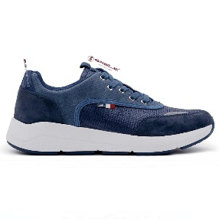 | BASILE | NELSON RAFIA NBX | SHOES | MEN | 10 |  | 135.00 € | [NS->10]
BAM913801_21_GLE1 |  | BASILE | SULLIVAN LINO | SHOES | MEN | 10 |  | 135.00 € | [NS->10]
BAM913805_52_GLE1 |  | BASILE | NOT AVAILABLE | SHOES | MEN | 10 |  | 120.00 € | [NS->10]
BSW915104_02_GLO |  | BASILE | GATLIN GLITTER MESH | SHOES | WOMEN | 320 |  | 70.00 € | [NS->320]
BAW910701_02_GLO |  | BASILE | NINA LYCRA/CVS | SHOES | WOMEN | 270 |  | 80.00 € | [NS->270]
BSW913565_01_GLO |  | BASILE | CLIP LYCRA | SHOES | WOMEN | 260 |  | 105.00 € | [NS->260]
BSW915100_08_GLO |  | BASILE | GATLIN MESH WMN | SHOES | WOMEN | 250 |  | 70.00 € | [NS->250]
BSW913501_01_GLO |  | BASILE | LYCRA GLITTER MSH | SHOES | WOMEN | 240 |  | 105.00 € | [NS->240]
BSW913501_52_GLO |  | BASILE | LYCRA GLITTER MSH | SHOES | WOMEN | 220 |  | 105.00 € | [NS->220]
BAW913011_01_GLO |  | BASILE | TROOPER PIZZO WMN | SHOES | WOMEN | 200 |  | 105.00 € | [NS->200]
BSW913001_53_GLO |  | BASILE | FLASH | SHOES | WOMEN | 200 |  | 95.00 € | [NS->200]
BSW915100_04_GLO |  | BASILE | GATLIN MESH WMN | SHOES | WOMEN | 200 |  | 70.00 € | [NS->200]
BSW915100_05_GLO |  | BASILE | GATLIN MESH WMN | SHOES | WOMEN | 200 |  | 70.00 € | [NS->200]
BSW915101_01_GLO |  | BASILE | GATLIN MESH GLITTER NET | SHOES | WOMEN | 200 |  | 70.00 € | [NS->200]
BSW915101_02_GLO |  | BASILE | GATLIN MESH GLITTER NET | SHOES | WOMEN | 200 |  | 70.00 € | [NS->200]
BSW915210_03_GLO |  | BASILE | BERHANE THREAD | SHOES | WOMEN | 200 |  | 90.00 € | [NS->200]
BSW915220_03_GLO |  | BASILE | BERHANE THREAD | SHOES | WOMEN | 200 |  | 95.00 € | [NS->200]
BSW915220_01_GLO |  | BASILE | BERHANE THREAD | SHOES | WOMEN | 199 |  | 95.00 € | [NS->199]
BSW915210_02_GLO |  | BASILE | BERHANE THREAD | SHOES | WOMEN | 198 |  | 90.00 € | [NS->198]
BSS914026_02_GLO |  | BASILE | NIZZA | SHOES | WOMEN | 190 |  | 80.00 € | [NS->190]
BSW913510_02_GLO |  | BASILE | OANA FLY KNIT | SHOES | WOMEN | 190 |  | 110.00 € | [NS->190]
BSW913565_02_GLO |  | BASILE | CLIP LYCRA | SHOES | WOMEN | 189 |  | 105.00 € | [NS->189]
BAW913011_02_GLO |  | BASILE | TROOPER PIZZO WMN | SHOES | WOMEN | 150 |  | 105.00 € | [NS->150]
BAW913011_04_GLO |  | BASILE | TROOPER PIZZO WMN | SHOES | WOMEN | 150 |  | 105.00 € | [NS->150]
BSW915200_04_GLO |  | BASILE | NATALIA FLY KNIT | SHOES | WOMEN | 150 |  | 90.00 € | [NS->150]
BAW918650_03_GLO |  | BASILE | GIORGIA CVS/BOUCLE | SHOES | WOMEN | 149 |  | 105.00 € | [NS->149]
BAW918650_02_GLO |  | BASILE | GIORGIA CVS/BOUCLE | SHOES | WOMEN | 139 |  | 105.00 € | [NS->139]
BAW910701_01_GLO |  | BASILE | NINA LYCRA/CVS | SHOES | WOMEN | 130 |  | 80.00 € | [NS->130]
BAW918660_02_GLO |  | BASILE | TINA LTH/SD | SHOES | WOMEN | 120 |  | 95.00 € | [NS->120]
BSS914026_01_GLO |  | BASILE | NIZZA | SHOES | WOMEN | 119 |  | 80.00 € | [NS->119]
BAW918720_01_GLO |  | BASILE | TITA LTH EBIBOSSED | SHOES | WOMEN | 89 |  | 105.00 € | [NS->89]
BSW913000_52_GLO |  | BASILE | FLASH NBK MIK WMN | SHOES | WOMEN | 80 |  | 95.00 € | [NS->80]
BSW913510_01_GLO |  | BASILE | OANA FLY KNIT | SHOES | WOMEN | 60 |  | 110.00 € | [NS->60]
BSS915325_04_GLO |  | BASILE | KATE KNIT | SHOES | WOMEN | 50 |  | 85.00 € | [NS->50]
BSW913000_55_GLO |  | BASILE | FLASH NBK MIK WMN | SHOES | WOMEN | 50 |  | 95.00 € | [NS->50]
BSW913004_51_GLO |  | BASILE | FLASH | SHOES | WOMEN | 50 |  | 95.00 € | [NS->50]
BSW915200_01_GLO |  | BASILE | NATALIA FLY KNIT | SHOES | WOMEN | 50 |  | 90.00 € | [NS->50]
BSW913006_21_GLO |  | BASILE | FLASH NEON WMN | SHOES | WOMEN | 49 |  | 95.00 € | [NS->49]
BAW918720_03_GLO |  | BASILE | TITA LTH EBIBOSSED | SHOES | WOMEN | 40 |  | 105.00 € | [NS->40]
BSS915325_01_GLO |  | BASILE | KATE KNIT | SHOES | WOMEN | 29 |  | 85.00 € | [NS->29]
BSS915325_02_GLO |  | BASILE | KATE KNIT | SHOES | WOMEN | 20 |  | 85.00 € | [NS->20]
BAW919111_03_F |  | BASILE | BRITE GLITTER | SANDALS | WOMEN | 420 |  | 55.00 € | [NS->420]
BAW919111_02_F |  | BASILE | BRITE GLITTER | SANDALS | WOMEN | 359 |  | 55.00 € | [NS->359]
BAW919145_02_F |  | BASILE | MARY GLITTER | SANDALS | WOMEN | 300 |  | 40.00 € | [NS->300]
BAW919120_03_F |  | BASILE | MADY DIAMOND | SANDALS | WOMEN | 299 |  | 40.00 € | [NS->299]
BAW919145_04_F |  | BASILE | MARY GLITTER | SANDALS | WOMEN | 288 |  | 40.00 € | [NS->288]
BAW919105_03_F |  | BASILE | LEYLA STRASS | SANDALS | WOMEN | 287 |  | 40.00 € | [NS->287]
BAW919120_01_F |  | BASILE | MADY DIAMOND | SANDALS | WOMEN | 276 |  | 40.00 € | [NS->276]
BAW919125_02_F |  | BASILE | ELY DIAMOD | SANDALS | WOMEN | 263 |  | 40.00 € | [NS->263]
BAW919120_02_F |  | BASILE | MADY DIAMOND | SANDALS | WOMEN | 252 |  | 40.00 € | [NS->252]
BAW919140_02_F |  | BASILE | RLYSA GLITTER | SANDALS | WOMEN | 168 |  | 60.00 € | [NS->168]
BAW919140_03_F |  | BASILE | RLYSA GLITTER | SANDALS | WOMEN | 156 |  | 60.00 € | [NS->156]
BAW919140_01_F |  | BASILE | RLYSA GLITTER | SANDALS | WOMEN | 144 |  | 60.00 € | [NS->144]
BAW919105_02_F |  | BASILE | LEYLA STRASS | SANDALS | WOMEN | 108 |  | 40.00 € | [NS->108]
BAW919125_01_F |  | BASILE | ELY DIAMOD | SANDALS | WOMEN | 83 |  | 40.00 € | [NS->83]
BAW919105_01_F |  | BASILE | LEYLA STRASS | SANDALS | WOMEN | 60 |  | 40.00 € | [NS->60]

